Machine Risk Assessment
 |  | PROTOCOL APPROVAL

 |  | PREPARED BY |  |  | DESIGNATION | SIGNATURE AND DATE
 |  | Sahana I H |  |  | Automation
 |  | REVIEWED BY BRML |  |  | DESIGNATION | SIGNATURE AND DATE
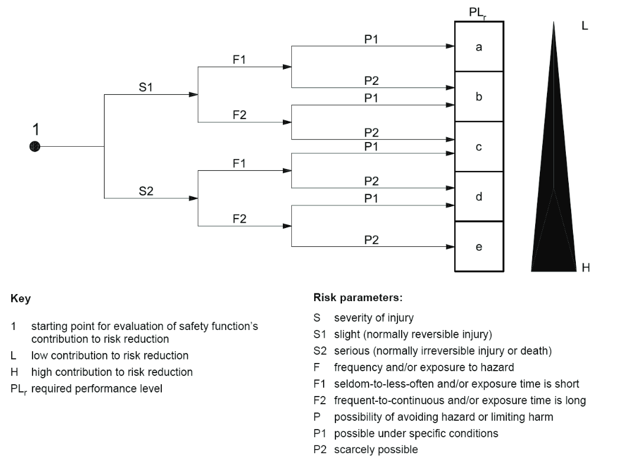
 |  | Vaibhav Bhosale |  |  | Automation
 |  | Pabitra Hazra |  |  | Design
 |  | REVIEWED BY MAKSON HEALTHCARE PVT. LTD |  |  | DESIGNATION | SIGNATURE AND DATE

 |  | APPROVED BY MAKSON HEALTHCARE PVT. LTD |  |  | DESIGNATION | SIGNATURE AND DATE

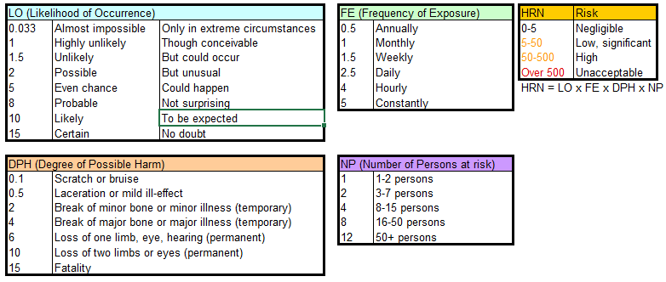
 |  | Assessment reference: | 16339 | Number of operatives: | 1
 |  | Type of machine: | Semi Automatic Cartoning Machine | Number of shifts per week:
 |  | Machine location: | MP | Usage (hours per week):
 |  | Machine description: | Semi Automatic Cartoning Machine | Operating manuals: | Supplied
 |  | Machine manufacturer: | BAR | SOP's | As required, per post assembly Hazop.
 |  | Machine model: | p715 | Operatives' training record:
 |  | Machine serial number: |  | Warning signs: | As required, per post assembly Hazop.
 |  | Modifications from 'as-supplied': | None | Raw materials:
 |  | Energy sources: | Electrical Power and Compressed Air | Maintenance manual: | Supplied
 |  | Energy source ratings: | Electrical - 1phase, 230V Pneumatic - Air @6bar. | Maintenance training record: | Operators & maintenance to be trained upon installation
 |  | Safety measures: | (eg. PLd safety architecture) | Access by untrained visitors: | Prohibited
 |  | Assessment carried out by:
 |  | Assessment date: | 2022-10-20
 |  | Assessment reviewed by:
 |  | Assessment review date:
 |  | Version: | 1.0

 |  | RML Assumptions: | Machine has no electronic guarding at all at initial assessment, frame is present.
 |  | Keywords: | See "Example Keywords" sheet for further keywords

No. | Assembly | Machine Location | Type of Hazard | Potential consequences | Comments |  | Initial assessment |  |  |  |  |  | Action required | Re-assessment after taking action |  |  |  |  |  | Residual Risk Action Required | Componets/Instruments might Damage |  |  |  | Remarks
 |  |  |  |  |  |  | LO | FE | DPH | NP | HRN | Risk level |  | LO | FE | DPH | NP | HRN | Risk level |  | Componets/ Instruments Details | LO | Critical Spare | Recommened Spare
1 | Main Drive Assembly | 1. Driver Pully Assembly 2. Driven Pully Assembly 3. Dog Chain Assembly | Kinetic energy (Drawing in Nip Points/Crushing Shearing) | Injuries include amputations, lacerations, contusions crushing of tissues and bones, and broken bones. | Hazards - drawing in of operator getting caught in belt/tangled with power belt. Why is the hazard there - Conveyor running at linear speed >500mm/s. What drives the hazard - Electric Motor. How could harm be caused - Operator hand/clothing/hair becoming caught in Chain. Why would the hazard occur - Operator intervention or inspection around the conveyor Potential occurrence of hazard - Possible Possible harm -Bruising, Lacerations., Break Minor Bone |  | 2 | 4 | 2 | 1 | 16 | Low, significant | Operator / Maintenance Staff Awareness Nip Point Warning Signs | 2 | 4 | 2 | 1 | 16 | Low, significant | Operator / Maintenance Staff Awareness and Training | 1.Bearings | 2 | -- | ü
 |  | Motor And Gearbox Assembly | Thermal Energy | 1. The winding insulation & bearing deteriorates 2. Increases in the temperature of an electric motor reduce its lifespan (Motor Ambient working temperature <=60 deg celcius) (Gearbox Ambient temperature <= 80 deg celcius) | Hazards - 1. Burns due to contact with hot Surface of the motor and Gearbox, 2. Motor Insulation an get melted and can cause short circuits and permanent damage to the motor. Why is the hazard there - Motors with a gearbox combination drives the conveyor and tend to heat ( extensive temperatures >60 deg celcius can be hazardus) What drives the hazard - Electrical Energy and Friction How could harm be caused - Operator in contact with hot motor and gearbox Surface. Why would the hazard occur - Operator intervention or inspection around the machine, intervention by maintenance personnel. Potential occurrence of hazard - Constantly. Possible harm - Minor burns. |  | 8 | 4 | 0.5 | 1 | 16 | Low, significant | Operator / Maintenance Staff Awareness Hot Surface Warning Signs | 5 | 4 | 0.5 | 1 | 10 | Low, significant | Operator / Maintenance Staff Awareness and Training |  | 1.5 | -- | ü
 |  | 1. driver Pully Assembly 2. Driven Pully Assembly 3.Motor And Gearbox Assembly | 1. Noise 2.Vibration | Vibration can cause changes in tendons,muscles,bones and joints ,and can affect the nervous system.collectively,these effects are known as Hand-Arm Vibration Syndrome (HAVS). Workers affected by HAVS 1.Attacks of whitening (blanching) of one or more fingers when exposed to cold 2.Tingling and loss of sensation in the fingers 3.Pain and cold sensations between perodic white fingers attacks 4.Loss of grip strength & Bone cysts in fingers and wrists 5.Noise may damage hearing - Stress - Hypersensitivity to noise - Increased blood Pressure - Increased heart rate | Hazards -vibrate and generates excessive force in the bearing area and reduces the life of the machine Why is the hazard there - Electric Motor drives the belt regardless of any minute missalignment which may further cause vibration. What drives the hazard - Electrical Energy. How could harm be caused - Operator in contact with motor and gearbox Surface.. Why would the hazard occur - Operator intervention or inspection around the machine, intervention by maintenance personnel. Potential occurrence of hazard - Constantly. Possible harm -1.Vibration can cause changes in tendons,muscles,bones and joints . (the highest around 8-16 Hz (Hertz or cycles per second) ) 2.Noise may damage hearing (Permissible limit is 75 dB for daytime and 70 dB at night from 1m Distance) |  | 1.5 | 5.0 | 2.0 | 1.0 | 15.0 | Low, significant | Operator / Maintenance Staff Awareness | 5.0 | 1.5 | 2.0 | 1.0 | 4.5 | Low, significant | Regular Maintenance | 3.Photoelectric Sensor | 2 | ü | --

 |  | Motor Assembly | EMF/ Electro static | Electrostatic sparks may have enough energy to produce electric shocks, cause electronic damage, spoil mechanical components | Hazards - electrical shock, fire and arc flash. Why is the hazard there - When power up the Electric Motor & Its power cables are open and fed up floor What drives the hazard - Electrical Energy How could harm be caused - Operator in contact with Machine Why would the hazard occur - Operator intervention or inspection around the machine, intervention by maintenance personnel. Potential occurrence of hazard - Constantly. Possible harm - Minor burns , Electrocution |  | 0.033 | 4 | 15 | 1 | 1.98 | Negligible | Use best practice design | 0.03 | 4 | 15 | 1 | 1.8 | Negligible | Operator / Maintenance Staff Awareness and Training | 4.Motor & Gearbox | 2 | -- | ü
 |  |  | Parts becoming live under fault conditions / Short-circuit / Overload | Burn |  |  | 0.033 | 4 | 0.5 | 1 | 0.066 | Negligible | Use best practice design | 0.03 | 4 | 0.5 | 1 | 0.06 | Negligible
 |  |  |  | Electrocution |  |  | 0.033 | 4 | 0.5 | 1 | 0.066 | Negligible | Use best practice design | 0.03 | 4 | 0.5 | 1 | 0.06 | Negligible
 |  |  |  | Motor Overload may cause overheating of the motor and damage the windings of the motor |  |  | 0.033 | 4 | 15 | 1 | 1.98 | Negligible | Use best practice design | 0.03 | 4 | 15 | 1 | 1.8 | Negligible
2 | Outfeed Assembly | 1. Driver Pully Assembly 2. Driven Pully Assembly | Kinetic energy (Drawing in Nip Points/Crushing Shearing) | Injuries include amputations, lacerations, contusions crushing of tissues and bones, and broken bones. | Hazards - drawing in of operator getting caught in belt/tangled with power belt. Why is the hazard there - Conveyor running at linear speed >500mm/s. What drives the hazard - Electric Motor. How could harm be caused - Operator hand/clothing/hair becoming caught in Belt. Why would the hazard occur - Operator intervention or inspection around the conveyor Potential occurrence of hazard - Possible Possible harm -Bruising, Lacerations., Break Minor Bone |  | 2 | 4 | 2 | 1 | 16 | Low, significant | Operator / Maintenance Staff Awareness Nip Point Warning Signs | 2 | 4 | 2 | 1 | 16 | Low, significant | Operator / Maintenance Staff Awareness and Training | 1.Bearing | 5 | -- | ü
 |  | Motor And Gearbox Assembly | Thermal Energy | 1. The winding insulation & bearing deteriorates 2. Increases in the temperature of an electric motor reduce its lifespan (Motor Ambient working temperature <=60 deg celcius) (Gearbox Ambient temperature <= 80 deg celcius) | Hazards - 1. Burns due to contact with hot Surface of the motor and Gearbox, 2. Motor Insulation an get melted and can cause short circuits and permanent damage to the motor. Why is the hazard there - Motors with a gearbox combination drives the conveyor and tend to heat ( extensive temperatures >60 deg celcius can be hazardus) What drives the hazard - Electrical Energy and Friction How could harm be caused - Operator in contact with hot motor and gearbox Surface. Why would the hazard occur - Operator intervention or inspection around the machine, intervention by maintenance personnel. Potential occurrence of hazard - Constantly. Possible harm - Minor burns. |  | 8 | 4 | 0.5 | 1 | 16 | Low, significant | Operator / Maintenance Staff Awareness Hot Surface Warning Signs | 5 | 4 | 0.5 | 1 | 10 | Low, significant | Operator / Maintenance Staff Awareness and Training | 2.Motor& Gearbox | 2 | -- | ü
 |  | 1. driver Pully Assembly 2. Driven Pully Assembly 3.Motor And Gearbox Assembly | 1. Noise 2.Vibration | Vibration can cause changes in tendons,muscles,bones and joints ,and can affect the nervous system.collectively,these effects are known as Hand-Arm Vibration Syndrome (HAVS). Workers affected by HAVS commonly report 1.Attacks of whitening (blanching) of one or more fingers when exposed to cold 2.Tingling and loss of sensation in the fingers 3.Pain and cold sensations between perodic white fingers attacks 4.Loss of grip strength & Bone cysts in fingers and wrists 5.Noise may damage hearing - Stress - Hypersensitivity to noise - Increased blood Pressure - Increased heart rate | Hazards -vibrate and generates excessive force in the bearing area and reduces the life of the machine Why is the hazard there - Electric Motor drives the belt regardless of any minute missalignment which may further cause vibration. What drives the hazard - Electrical Energy. How could harm be caused - Operator in contact with motor and gearbox Surface.. Why would the hazard occur - Operator intervention or inspection around the machine, intervention by maintenance personnel. Potential occurrence of hazard - Constantly. Possible harm -1.Vibration can cause changes in tendons,muscles,bones and joints . (the highest around 8-16 Hz (Hertz or cycles per second) ) 2.Noise may damage hearing (Permissible limit is 75 dB for daytime and 70 dB at night from 1m Distance) |  | 1.5 | 5.0 | 2.0 | 1.0 | 15.0 | Low, significant | Regular Maintance |  | 1.5 | 2.0 | 1.0 | 4.5 | Negligible | Regular Maintenance | 3.Solenoid Valve | 1 | -- | ü
...

