Operational Risk Assessment
 |  | PROTOCOL APPROVAL

 |  | PREPARED BY |  | DESIGNATION |  | SIGNATURE AND DATE
 |  | Mattia Mercuri
 |  | REVIEWED BY BRML |  | DESIGNATION |  | SIGNATURE AND DATE

 |  | REVIEWED BY CUSTOMER |  | DESIGNATION |  | SIGNATURE AND DATE

 |  | APPROVED BY CUSTOMER |  | DESIGNATION |  | SIGNATURE AND DATE

 |  | Assessment reference: | 16360 | Number of operatives: |  | 3
 |  | Type of machine: |  | Number of shifts per week: |  | 18
 |  | Machine location: | Aurangabad | Usage (hours per week): |  | 126
 |  | Machine description: |  | Operating manuals:
 |  | Machine manufacturer: |  | SOP's
 |  | Machine model: |  | Operatives' training record:
 |  | Machine serial number: |  | Warning signs:
 |  | Modifications from 'as-supplied': |  | Raw materials:
 |  | Energy sources: | Electrical Power and Compressed Air | Maintenance manual:
 |  | Energy source ratings: | electrical: 3 phase 440 V AC, 50 Hz 1 Phase 230 V AC, 50 Hz pneumatic: 6 bar air | Maintenance training record:
 |  | Safety measures: |  | Access by untrained visitors:
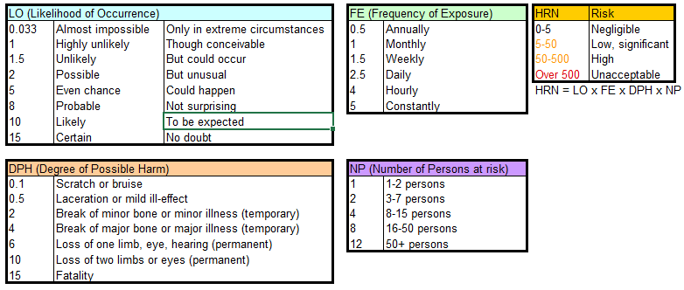
 |  | Assessment carried out by:
 |  | Assessment date:
 |  | Assessment reviewed by:
 |  | Assessment review date:
 |  | Version: | 1

 |  | RML Assumptions: | Machine has no electronic guarding at all at initial assessment, frame is present.
 |  | Keywords: | See "Example Keywords" sheet for further keywords

No. | Assembly | Machine Location | Type of Hazard | Potential consequences | Comments | Initial assessment |  |  |  | Action required
 |  |  |  |  |  | LO | FE | HRN | Risk level
1 | Magazine Assembly | Magazine Assembly | a) worker inserts products with wrong orientation (e.g.upsidedown, rotated 180) b) jammed products within magazine c) magazine is not inserted correctly d) magazine is empty | a) vision system downstream will have troubles detecting faulty products b) products will not exit magazine c) machine won't start (only if there is a system that ensures correct placement of magazine) otherwise machine will start working and products might start to get jammed or magazine tip over and fall d) machine won't start | Hazards -Jammed products within magazine Why is the hazard there - What drives the hazard - How could harm be caused - The machine runs continosly at high speed Why would the hazard occur - The machine does not maintain proper Homing of the Machine. Potential occurrence of hazard - Possible Possible harm -The Rejection Level is High | 5 | 1 | 3 | Low, significant | a) product ends up in rejection bin placed before rotary pick&place b)worker to manually resolve the issue c)worker to manually re-insert magazine d)BRML providing the Low Level Sensors, If the magazine Empty the machine generates the alarm & Operator manually refill the magazine

2 | Pusher Assembly | Pusher Assembly | a) product from magazine falls behind pusher after pusher extends | a) stuck product might jam or damage pusher when it retracts | Hazards -Product from magazine falls behind pusher after pusher extends Why is the hazard there - What drives the hazard - Pneumatic Cylinder How could harm be caused - The machine runs continosly at high speed Why would the hazard occur - The machine does not maintain proper Homing of the Machine. Potential occurrence of hazard - Possible Possible harm -The Product will be damaged | 1.5 | 0.5 | 2.5 | Low, significant | a) worker to manually remove cause of obstruction b) Maintain the Regular Maintanace

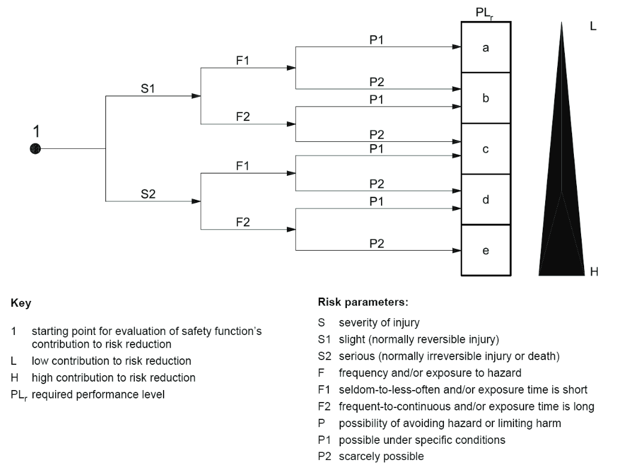
3 | Pickhead (pick & place robot) | PickHead Assembly | a).The vacuum Generator is consuming less vacuum b).The suction cups damage c) pneumatic supply unplugs and Pneumatic fitting gets damaged | Product won't be picked eventually obstructing incoming products | Hazards -The vacuum Generator is consuming less vacuum Why is the hazard there - The Regular Maintatence not maintained properly What drives the hazard - Vacuum How could harm be caused - The Products are not picked the products and its drops the products on the floor Why would the hazard occur - The air pipe not connected properly and not connected with Pneumatic air Potential occurrence of hazard - Possible Possible harm -The Product will be damaged | 1.50 | 1.00 | 1.98 | Low, significant | a) suction cups can swiftly be substituted with new spares b) manually fix the issue c) Maintain the Regular Maintanace d) Operator / Maintenance Staff Awareness and Training

4 | Pick & Place Flipping Mechanism | 1) Flipping Assembly 2) Vacuum Assembly | a) damaged or leaking suction cups b) product stuck on placing slide c) The Products are not flipped Properly | The Products Rejection level is High | Hazards -The Products are not flipped Properly Why is the hazard there - What drives the hazard - Pneumatic Cylinder & Vacuum How could harm be caused - The Products are not Flipped 180 degree Why would the hazard occur - The air pipe not connected properly and not connected with Pneumatic air Potential occurrence of hazard - Possible Possible harm -The Products Rejection level is high | 2 | 1 | 2 | Low, significant | a)BRML providing good quality suction cups and Sensors also provided cups as spares b)The operator visual Inspect the Products after Flipping Assembly

5 | Infeed conveyor | Infeed Conveyor | Products are mispositioned in their respective pocket on the conveyor | Might result in a missed pick by the SCARA robot | Hazards -Products are mispositioned on the Pocket Conveyor Why is the hazard there - The Product are not placed on the pocketed Conveyor What drives the hazard - Products How could harm be caused - The Products are not placed accurate position Why would the hazard occur - Potential occurrence of hazard - Possible Possible harm -The Robot not picked the products | 1.50 | 1.00 | 1.98 | Low, significant

8 | Main Drive (Pocketed conveyor) | Conveyor Assembly | a) products stacked incorrectly | a) harder for operator to collect stack

